DID
Status | Resp | Comments | Number | DID | Origin | Type | Size(Byte) | Name | 0x01 | 0x02 | 0x03 | 0x60 | Comment | Status Commends

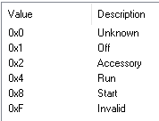
Accept |  |  | 1 | 0x1505 | AHU | UN | 2 | Vehicle Speed - High Resolution | R |  | R | R | 从CAN读取(CAN信号Timeout时保持之前的旧值或者初始值，0x202) | DNE
Accept |  |  | 2 | 0x411F | AHU | SED | 1 | Key Position | R |  | R | R | 从CAN读取(0x3B2 BodyInfo_HS3) | DNE
Accept |  |  | 3 | 0xC006 | AHU | UN | 2 | VIN Missing counter | R |  | R | R | VIN丢失的计数（一个Sleep周期内） | DNE
Accept |  |  | 4 | 0xD100 | AHU | SED | 1 | Active Diagnostic Session | R | R | R | R | 当前Active Diagnostic Session | DNE
Accept |  |  | 5 | 0xD111 | AHU | UN | 1 | ECU Power Supply Voltage | R |  | R | R | 输入电压 | DNE
Accept |  |  | 6 | 0xF15F | AHU | PKT | 10 | NOS Generation Tool Version Number | R |  | R | R | 工具版本（第一个byte固定填08，第二byte起ASCII填入 22.07.22，Autosar CBD版本） | DNE
Accept |  |  | 7 | 0xF162 | AHU | SED | 1 | Software Download Specification Version |  | R |  | R | 固定为“0x07” | DNE
Accept |  |  | 8 | 0xF163 | AHU | SED | 1 | Diagnostic Specification Version | R | R | R | R | 固定为“0x05” | DNE
Accept |  |  | 9 | 0xF166 | AHU | PKT | 4 | NOS Message Database #1 Version Number | R | R | R | R | HS3 dbc 版本号 dbc已包含 | DNE
Accept |  |  | 10 | 0xF190 | AHU | ASC | 24 | Vehicle Identification Number | R |  | R | R | 从CAN读取VIN码，报文读取前17bytes，后面全部补0 | DNE
Accept |  |  | 11 | 0xF40C | AHU | UN | 2 | Engine RPM | R |  | R | R | 从CAN读取，信号“EngAout_N_Actl” | DNE
Accept |  |  | 12 | 0xF411 | AHU | UN | 1 | Absolute Throttle Position | R |  | R | R | 从CAN读取,节气门位置(0x204 ApedPos_Pc_ActlArb) | DNE
Accept |  |  | 16 | 0x8047 | Sync | UN | 1 | Bezel Diagnostics Status | R |  | RC | RC | 读取/控制进入工程模式，HMI控制示意图请参考右侧附件。 | DNE
Accept | YFVE | YFVE确认需求 | 17 | 0x804A | Sync | SED | 1 | APIM Internal Fault | R |  | R | R | 读取ROM/RAM/EEPROM/IPC状态 （IPC Link down指的是跟SOC的通信） | DNE
TBD | YFVE | YFVE确认需求 | 18 | 0x804B | Sync | BM | 4 | ECU CCPU Fault | R |  | R | R | 读取SOC模块是否出现错误，比如BT，USB，Flash，Wifi是否出错 | DNE
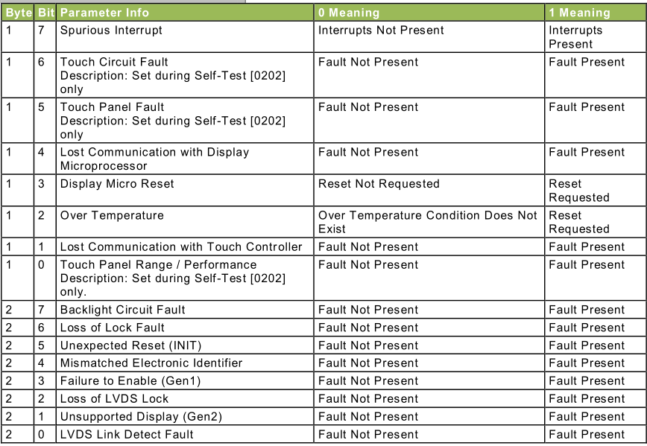
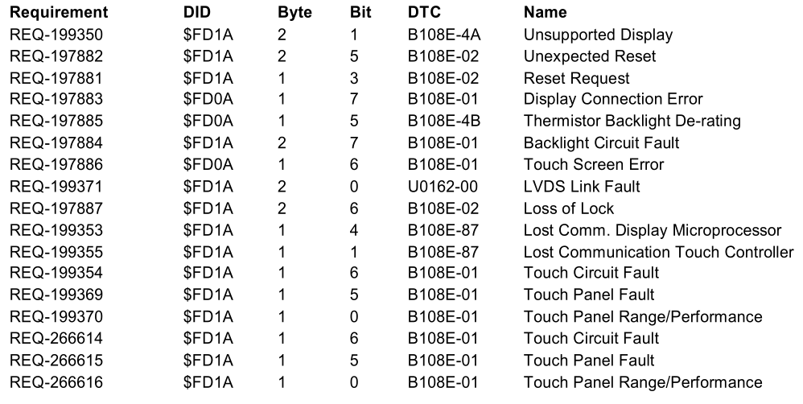
Accept | Ford | 福特跟屏供应商确认依据I2C over LVDS spec and version设置parameter | 19 | 0xFD1A | Sync | BM | 3 | Display Parameters | R |  | R | R | 用于display errors判定，置DTC。通过LVDS获取；屏幕是Ford供应商提供 | DNE
Accept |  |  | 20 | 0xF1D0 | Sync | HEX | 6 | ECU MAC Address 1 | R |  | R | R | BT1 MAC 地址 | DNE
Accept | YFVE | YFVE更新 |  | 0xFD08 | Sync | HEX | 6 | ECU MAC Address 1 | R |  | R | R | BT2 MAC 地址
Accept |  |  | 21 | 0xF1D1 | Sync | HEX | 6 | ECU MAC Address 2 | R |  | R | R | Wifi MAC 地址 | DNE
Accept |  |  | 22 | 0xF1E1 | Sync | HEX | 6 | ECU MAC Address 3 | R |  | R | R | Ethernet MAC 地址 | DNE
Accept |  |  | 23 | 0x61A1 | AHU | UN | 1 | Channel Frequency | R |  | RC | RC | 现在/last source FM的频率 | DNE
Accept |  |  | 24 | 0x8321 | AHU | UN | 2 | Antenna Current 1 | R |  | R | R | 天线1电流 | DNE
Accept |  |  | 25 | 0x8304 | AHU | UN | 1 | Radio Frequency Field Strength | R |  | R | R | 收音机信号强度 | DNE
Accept |  |  | 26 | 0xEE21 | AHU | UN | 1 | AM Seek/Stop Sensitivity | R |  | RC | RC | AM锁台灵敏度，控制configbit DE06 byte2, Tuner国内AM/FM推荐使用25db | DNE
Accept |  |  | 27 | 0xEE22 | AHU | UN | 1 | FM Seek/Stop Sensitivity | R |  | RC | RC | FM锁台灵敏度，控制configbit DE05 byte16 | DNE
Accept |  |  | 28 | 0xFD20改为0xFD27 | AHU | HEX | 1 | Averaged Signal Strength Measured in AM/FM Antenna Test | R |  | R | R | Range 0 to 255, Units dBuV, Size 1 Byte, Resolution 1 – Value is 0dBuV if test has never been ran. Value is stored until battery has been pulled or test overwrites with new value. 信号强度是从routine里面获得的. | DNE
Accept |  |  | 29 | 0x8003 | AHU | BM | 4 | Speaker Status | R |  | RC | RC | 用于mute/unmute已配置的喇叭 | DNE
Accept |  |  | 30 | 0xFD03 | AHU | HEX | 1 | Normal Speaker Walkaround Volume | R |  | RW | RW | 测试喇叭音量值-Refer to RoutineID 0x6009，音量值使用step | DNE
Accept | YFVE | YFVE确认需求 | 31 | 0xFD04 | AHU | HEX | 1 | Subwoofer Speaker Walkaround Volume | R |  | RW | RW | 测试喇叭音量值-Refer to RoutineID 0x6009，音量值使用step | 新增
Accept |  |  | 32 | 0x8055 | AHU | UN | 2 | Automobile Audio Bus (A2B) Master Error Counter | R |  | R | R |  | DNE
Accept |  |  | 33 | 0x833B | AHU | UN | 1 | Audio Volume Level | R |  | RC | RC | 获取娱乐音源（tuner、USB、BT）的音量，直接回复实际音量 | DNE
Accept |  |  | 35 | 0xEE00 | AHU | PKT | 3 | ANC/ESE Error Status | R |  | R | R | 读取错误状态
Accept |  |  | 36 | 0xEE01 | AHU | PKT | 6 | ESE Last Received Data | R |  | R | R | 读取上一次获取到的转速，油门踏板位置等信息
Accept |  |  | 37 | 0xEE02 | AHU | PKT | 53 | ANC and/or ESE Profile Data | R |  | RW* | RW* | 手动选择标定文件
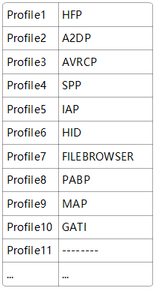
Accept |  |  | 38 | 0xEE03 | AHU | SED | 1 | ESE Activation Status | R |  | RW* | RW* | 手动激活ESE/EVSE功能
Accept | YFVE | YFVE确认需求 | 39 | 0x8004 | Sync | ASC | 128 | Supported Bluetooth Profiles | R |  | R | R | Desay自定义HTP,A2DP……格式
Accept | YFVE | YFVE确认需求 | 40 | 0x8023 | Sync | ASC | 128 | Active Bluetooth Profiles | R |  | R | R | 当前Active Bluetooth Profiles，Desay自定义格式
Accept |  |  | 41 | 0x8024 | Sync | SED | 1 | Bluetooth Status | R |  | R | R | 当前BT状态
Accept | YFVE/Ford | Ford 确认只支持22 | 42 | 0xFD1C | AHU | HEX | 1 | Digital RVC Power Control | R |  | R | R | 用于指示数字RVC是否使能Power Control
Accept |  |  | 43 | 0xFD1B | AHU | HEX | 1 | RVC Digital Faults | R |  | R | R | 用于指示数字RVC故障的类型
Accept | Ford | Ford更新状态coding（检查GMRDB，暂定38，39，3A,3B） | 44 | 0xD021 | TCU | SED | 1 | Authorization State | R |  | R | R | Ford cloud:FIN确认暂时做0x38~0x3B,cdd定义的其他状态先不做处理，因为会存在模块共存的状态
Accept | Ford | Ford更新状态coding（检查GMRDB） | 45 | 0xD076 | TCU | PKT | 1 | Authorization State2 | R |  | R | R | Baidu cloud参考“baidu Auth” sheet（ID后续可能会改）MDX检查冲突
Accept |  |  | 52 | 0xD03D | Sync | ASC | 40 | Security Package ID（Ford） | R |  | R | R | periheriial provisioning required，福特提供 |  | yanghui确认Ford才有
Accept |  |  | 53 | 0xFD21改为0xFD28 | AHU | ASC | 1846 | Baidu security certificate1 | R |  | R | RW* | 百度安全证书
Accept |  |  | 54 | 0xFD22改为0xFD29 | AHU | ASC | 1846 | Baidu security certificate2 | R |  | R | RW* | 百度安全证书
Accept |  |  | 57 | 0xFD100改为0xFD01 | Sync | ASC | 40 | VMCU Software Version | R |  | R | R | 内部版本号，内部的MCU软件版本，自己定义即可。
Accept |  |  | 58 | 0xFD07 | AHU | ASC | 10 | Supplier ECU Hardware Number | R |  | R | R | 内部版本号，内部的MCU硬件版本，自己定义即可。
Accept |  |  | 59 | 0xFD02 | AHU | ASC | 32 | Operating System Version | R |  | R | R | 内部版本号，Soc软件版本。
Accept |  |  | 60 | 0xFD05 | AHU | ASC | 10 | Supplier ECU Display Software Number | R |  | R | R | 内部版本号，显示屏软件版本。（FIN确认直接从Display获取，不需要自己定义）
Accept | Ford | Ford定义coding(定义产生DTC条件：DTC E10100) | 61 | 0xFD10改为0xFD17 | Sync | HEX | 5 | Config Bits code condition | R |  | R | R | 用于识别ConfigBit配置值是否正常 | 更新
Accept |  |  | 62 | 0xF111 | AHU | ASC | 24 | ECU Core Assembly Number | R | R | RW | RW | HW PN, 硬件PN, 产线生产时写入
Accept |  |  | 63 | 0xF113 | AHU | ASC | 24 | ECU Delivery Assembly Number | R | R | RW | RW | Assemly PN, 整机PN, 产线生产时写入
Accept |  |  | 64 | 0xF188 | AHU | ASC | 24 | Vehicle Manufacturer ECU Software Number | R |  | R | R | VMCU软件PN
Accept |  |  | 66 | 0x8033 | Sync | ASC | 24 | Embedded Consumer Operating System Part Number | R |  | R | R | SOC软件零件号
Delete | Ford | Ford确定增加 |  |  |  |  |  | Cluster PartNUmber
Accept |  | 预留 | 67 | 0x8068 | Sync | ASC | 24 | Embedded Consumer Boot System Part Number | R |  | R | R | SOC boot软件零件号，如果boot和软件做成一个就用上面的零件号（gaowei确认做成了一个）
Accept |  |  | 68 | 0xF10A | AHU | ASC | 24 | ECU Cal-Config Part Number | R |  | R | R | Acoustic（EQ） Tuning PN，标定文件PN
Accept |  | 预留 | 69 | 0xF16B | AHU | ASC | 24 | ECU Cal-Config #2 Part Number | R | R | R | R | Illumination PN，灯光标定PN
Accept |  |  | 70 | 0xF16C | AHU | ASC | 24 | ECU Cal-Config #3 Part Number | R | R | R | R | Sound Enhancement (ESE) PN， ANC/ESE PN
Accept |  |  | 71 | 0xF110 | AHU | ASC | 24 | Subsystem Specific Diagnostic Specification Part Number | R |  | R | R | Part II PN,诊断Spec PN(DSMB6T-18D668-AAxxx)
Accept |  |  | 72 | 0xF180 | AHU | PKT | 25 | Boot Software Identification | R | R | R | R | Primary Bootloader PN，MCU FBL PN。 FIN确认"1+24"需要多1个字节区分“number of modules ”,number取1即可。(FIN给的PN表格F180的值都是一样的)
Accept |  |  | 73 | 0xF17F | Sync | ASC | 8 | Ford Electronic Serial Number | R | R | R | R | FNV2 IVI ESN，Ford指定的序列号；应该指的就是标签种的“ESN”
Accept |  |  | 74 | 0xF18C | AHU | ASC | 16 | ECU Serial Number | R | R | R | R | 由重庆工厂定义格式，序列号。F18C长度改为16bytes，前8bytes填充F17F。
Accept |  | 预留 | 75 | 0x8060 | Sync | PKT | 384 | Embedded Consumer Applications Part Numbers 1 | R |  | R | R | 每24Byte写一个子软件对应的PN，（ASCII，未写满用0x00填充） (0x8033)写在第1个+地图包(0x8060)写在第二个+如果有Adas地图(0x8060)包写第三个。FIN确认现在只做这3个。(gdx文件会报错)
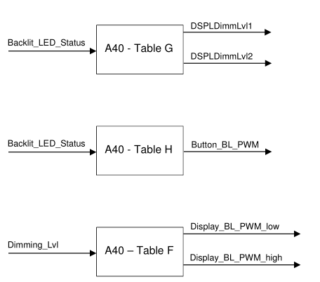
TBD | Ford | Ford确认屏幕尺寸有三种，23.6+23.6，11.1，与F0 confirm | 76 | 0xFDDF | Sync | PKT | 216 | CCPU Weight Factor Display SDM23.6-1L | R |  | R | RC* | DID_WeightFactorDP | 更新
Accept | Ford | Ford确认屏幕尺寸有三种，23.6+23.6，11.1 | 77 | 0xFDE0 | Sync | UN | 2 | CCP_Low_PWM_SDM23.6-1L | R |  | R | RC* | DID_Low_PWM_DisplayBL | 更新
Accept | Ford | Ford确认屏幕尺寸有三种，23.6+23.6，11.1 | 78 | 0xFDE1 | Sync | UN | 2 | CCP_High_PWM_SDM23.6-1L | R |  | R | RC* | DID_High_PWM_DisplayBL | 更新
Accept | Ford | Ford确认屏幕尺寸有三种，23.6+23.6，11.1 | 79 | 0xFDC5 | Sync | PKT | 216 | CCPU Weight Factor Display SDM23.6-2 | R |  | R | RC* |  | 更新
Accept | Ford | Ford确认屏幕尺寸有三种，23.6+23.6，11.1 | 80 | 0xFDC6 | Sync | UN | 2 | CCP_Low_PWM_SDM23.6-2（屏幕） | R |  | R | RC* |  | 更新
Accept | Ford | Ford确认屏幕尺寸有三种，23.6+23.6，11.1 | 81 | 0xFDC7 | Sync | UN | 2 | CCP_High_PWM_SDM23.6-2 | R |  | R | RC* |  | 更新
Accept | Ford | Ford确认屏幕尺寸有三种，23.6+23.6，11.1 | 82 | 0xFDEA | Sync | PKT | 216 | CCPU Weight Factor Display SDM11.1 | R |  | R | RC* |  | 更新
Accept | Ford | Ford确认屏幕尺寸有三种，23.6+23.6，11.1 | 83 | 0xFDEB | Sync | UN | 2 | CCP_Low_PWM_SDM11.1 | R |  | R | RC* |  | 更新
Accept | Ford | Ford确认屏幕尺寸有三种，23.6+23.6，11.1 | 84 | 0xFDEC | Sync | UN | 2 | CCP_High_PWM_SDM11.1 | R |  | R | RC* |  | 更新
Accept | Ford | Ford确认屏幕尺寸有三种，23.6+23.6，11.1 | 85 | 0xFDC8 | Sync | PKT | 216 | CCPU Weight Factor Display SDM27 | R |  | R | RC* |  | 更新
Accept | Ford | Ford确认屏幕尺寸有三种，23.6+23.6，11.1 | 86 | 0xFDC9 | Sync | UN | 2 | CCP_Low_PWM_SDM27 | R |  | R | RC* |  | 更新
Accept | Ford | Ford确认屏幕尺寸有三种，23.6+23.6，11.1 | 87 | 0xFDCA | Sync | UN | 2 | CCP_High_PWM_SDM27 | R |  | R | RC* |  | 更新
Accept |  |  | 88 | 0xFDB0 | Sync | HEX | 1 | VMCU_Low_PWM_RotaryBL | R |  | R | RC* | DID_Low_PWM_RotoryBL | DNE
Accept |  |  | 89 | 0xFDB1 | Sync | HEX | 1 | VMCU_High_PWM_RotaryBL | R |  | R | RC* | DID_High_PWM_RotoryBL | DNE
Accept |  |  | 90 | 0xFDB2 | Sync | HEX | 1 | VMCU_Low_PWM_ButtonB | R |  | R | RC* | DID_Low_PWM_ButtonBL | DNE
Accept |  |  | 91 | 0xFDB3 | Sync | HEX | 1 | VMCU_High_PWM_ButtonB | R |  | R | RC* | DID_High_PWM_ButtonBL | DNE
Accept |  |  | 92 | 0xFDB5 | Sync | PKT | 144 | VMCU_WeightFactorBL | R |  | R | RC* | DID_WeightFactorBL | DNE
Accept |  |  | 97 | 0xFE60 | Sync | HEX | 2 | ANC Audio signals mute control | R |  | RC | RC | Audio ANC setting | DNE
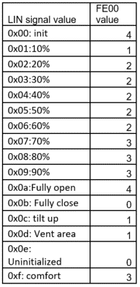
TBD | YFVE/Ford | Ford提供最新GMRDB YFVE study 新的走GMRDB流程 | 98 | 0xD04F | Sync | PKT | 4 | OTA ProgrammingSession Entry And A/B Swap Precondition Status | R |  | R | R | OTA fail+ECU Fail | DNE
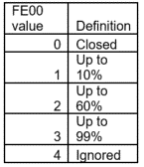
Accept |  |  | 99 | 0xFE00 | Sync | PKT | 1 | Sunroof Status | R |  | R | R | Sunroof control配置为1或2时根据 Lin信号SunroofDSPLStatusPosition的值来取值, 对于Sunroof control为其他值的时候值始终为0 | 更新
Accept |  |  | 100 | 0xFE01 | Sync | PKT | 2 | SelDrvMdeHmi04_D_Rq | R |  | RC | RC | MBBM m|klang软件调音，默认值0xFF, [0x00 - 0x1F; 0xFF] | 更新
Accept |  |  | 101 | 0xFE02 | Sync | PKT | 3 | ActvDrvMde_D2_Stat | R |  | RC | RC | MBBM m|klang软件调音，默认值0xFF, [0x00 - 0x1F; 0xFF] | 更新
Accept |  |  | 102 | 0xFE03 | Sync | PKT | 4 | AutoTowActv_B_Stat | R |  | RC | RC | MBBM m|klang软件调音，默认值0xFF, [0x00 - 0x1F; 0xFF] | 更新
Accept |  |  | 103 | 0xFE04 | Sync | PKT | 5 | EngExhMdeQuiet_D2_Stat | R |  | RC | RC | MBBM m|klang软件调音，默认值0xFF, [0x00 - 0x1F; 0xFF] | 更新
Accept |  | YFVE,Ford确定F180使用哪一个,与仪表确认 | 105 | 0xF109 |  | PKT | 3 | Boot Software Version Number |  |  |  |  |  | DNE
Accept |  |  | 113 | 0xF17C |  | PKT | 11 | NOS Bootloader Generation Tool Version Number |  |  |  |  |  | DNE
Accept |  |  | 116 | 0x404C |  | UN | 3 | Odometer Store - High Resolution |  |  |  |  |  | DNE
Accept |  |  | 117 | 0x4190 |  | UN | 2 | Fuel Level Sender 1 A/D Count - Filtered |  |  |  |  |  | DNE
Accept |  |  | 118 | 0x4194 |  | UN | 2 | Distance To Empty - Calculated |  |  |  |  |  | DNE
Accept |  |  | 119 | 0x4195 |  | UN | 2 | Distance To Empty - Displayed |  |  |  |  |  | DNE
Accept |  |  | 120 | 0x4196 |  | UN | 2 | Average Fuel Consumption |  |  |  |  |  | DNE
Accept |  |  | 121 | 0x4197 |  | UN | 2 | Running Average Fuel Consumption Used In Distance To Empty Calculation |  |  |  |  |  | DNE
Accept |  |  | 122 | 0x600E |  | BM | 4 | Telltales and Warnings - 1 |  |  |  |  |  | DNE
Accept |  |  | 123 | 0x600F |  | BM | 4 | Telltales and Warnings - 2 |  |  |  |  |  | DNE
Accept |  |  | 124 | 0x601E |  | UN | 2 | Odometer Delta Distance Exceeded Event Counter |  |  |  |  |  | DNE
Accept |  |  | 125 | 0x601F |  | UN | 3 | Total Odometer Delta Distance Added |  |  |  |  |  | DNE
Accept |  |  | 126 | 0x6023 |  | BM | 4 | Electronic Status Check Of Safety Relevant Features 2 |  |  |  |  |  | DNE
Accept |  |  | 127 | 0x6022 |  | BM | 4 | Electronic Status Check Of Safety Relevant Features 1 |  |  |  |  |  | DNE
Accept |  |  | 128 | 0x602E |  | SED | 1 | Selectable Drive Mode Status |  |  |  |  |  | DNE
Accept |  |  | 129 | 0x61A4 |  | BM | 4 | Warning Lamp Status 1 |  |  |  |  |  | DNE
Accept |  |  | 130 | 0x61A5 |  | BM | 4 | Warning Lamp Status 2 |  |  |  |  |  | DNE
Accept |  |  | 131 | 0x61A9 |  | UN | 1 | Speedometer Pointer Position |  |  |  |  |  | DNE
Accept |  |  | 132 | 0x61B0 |  | UN | 1 | Tachometer Pointer Position |  |  |  |  |  | DNE
Accept |  |  | 133 | 0x61B1 |  | UN | 1 | Fuel Gauge Pointer Position |  |  |  |  |  | DNE
Accept |  |  | 134 | 0x61B2 |  | UN | 1 | EngineTemperature Gauge Pointer Position |  |  |  |  |  | DNE
Accept |  |  | 135 | 0x61B5 |  | SED | 1 | Sounder Output |  |  |  |  |  | DNE
Accept |  |  | 136 | 0x61B7 |  | UN | 2 | Fuel Sender 1 |  |  |  |  |  | DNE
Accept |  |  | 137 | 0x61C0 |  | BM | 4 | Input Status |  |  |  |  |  | DNE
Accept |  |  | 138 | 0x61CE |  | BM | 4 | Warning Lamp "B" Status |  |  |  |  |  | DNE
Accept |  |  | 139 | 0x630F |  | ASC | 24 | Multiple VIN Storage-Original VIN |  |  |  |  |  | DNE
Accept |  |  | 140 | 0x9A01 |  | UN | 1 | Operating Voltage |  |  |  |  |  | DNE
Accept |  |  | 141 | 0xA48A |  | PKT | 96 | VIN History |  |  |  |  |  | DNE
Accept |  |  | 142 | 0xF120 |  | ASC | 24 | ECU Software #2 Part Number |  |  |  |  |  | DNE
Accept |  |  | 143 | 0xF442 |  | UN | 2 | Control module voltage |  |  |  |  |  | DNE
Accept | YFVE | YFVE更新DID号 | 144 | 0xFD10 |  | HEX | 1 | SUPPLIER USE PT1_SPD Value |  |  |  |  |  | 更新
Accept | YFVE | YFVE更新DID号 | 145 | 0xFD11 |  | HEX | 2 | SUPPLIER USE PT1_TAC Value |  |  |  |  |  | 更新
Accept | YFVE | YFVE更新DID号 | 146 | 0xFD12 |  | HEX | 10 | SUPPLIER USE Bootloader Version Number |  |  |  |  |  | 更新
Accept |  |  | 147 | 0xFD13 |  | HEX | 10 | SUPPLIER USE App Version Number |  |  |  |  |  | DNE
Accept |  |  | 148 | 0xFD14 |  | HEX | 10 | SUPPLIER USE HMI Version Number |  |  |  |  |  | DNE
Accept | YFVE | YFVE更新DID号 | 149 | 0xFD15 |  | HEX | 10 | SUPPLIER USE EEP Version Number |  |  |  |  |  | 更新
Accept |  |  | 150 | 0xFD16 |  | HEX | 10 | SUPPLIER USE UI Flash Version Number |  |  |  |  |  | DNE
Accept |  |  | 151 | 0xFD18 |  | HEX | 4 | SUPPLIER USE DIG _UPDATE_RATE value |  |  |  |  |  | DNE
Accept | YFVE | YFVE更新DID号 | 152 | 0xFD20 |  | BM | 1 | SUPPLIER USE Low Washer Warning Only Configuration |  |  |  |  |  | 更新
Accept | YFVE | YFVE更新DID号 | 153 | 0xFD21 |  | HEX | 1 | SUPPLIER USE DID Trans Time Usr |  |  |  |  |  | 更新
Accept | YFVE | YFVE更新DID号 | 154 | 0xFD22 |  | HEX | 1 | SUPPLIER USE DID Trans Time_Amb Up |  |  |  |  |  | 更新
Accept | YFVE | YFVE更新DID号 | 155 | 0xFD23 |  | HEX | 1 | SUPPLIER USE DID Trans Time_Amb_Down |  |  |  |  |  | 更新
Accept | YFVE | YFVE更新DID号 | 156 | 0xFD24 |  | HEX | 1 | SUPPLIER USE DID Trans Time OnOff |  |  |  |  |  | 更新
Accept |  |  | 157 | 0xFD30 |  | BM | 1 | Supply DID Configuration |  |  |  |  |  | DNE
Accept |  |  | 158 | 0xFDD0 |  | HEX | 1 | Warning Timing- NWMD_Timer |  |  |  |  |  | DNE
Accept |  |  | 159 | 0xFDD1 |  | HEX | 1 | Warning Timing-WC Timer |  |  |  |  |  | DNE
 |  |  |  | 0XFD26 |  | ASC | 17 | Wi-Fi Mac Address | R |  | R | R | periherial provisioning required (与0xF1D1相同 ) | 新增
 |  |  |  | 0xD027 |  | ASC | 24 | Embedded Consumer Boot Software Part Number 2 | R |  | R | R | 与0xF180保持一致（Per direction from IVS team, Bootloaders which are updateable via OTA cannot use F180 (such as FNV2 ECG and TCU) to store part bootloader part numbers. This DID will be used to store the Bootloader Part Number for the Vehicle Side Micro.） | 新增

 |  |  |  | 注意： | R：指的是读取(Read)；
 |  |  |  |  | RW：指的是可读可写；
 |  |  |  |  | RC：指的是Read Control(诊断2Fhex服务)，注意不是Routine control!
 |  |  |  |  | * = The functionality indicated by the preceding letter is locked by security access. Security已经在vector代码包包含了。

 |  |  |  |  | UN： | 单位
 |  |  |  |  | PKT：
 |  |  |  |  | HEX： | 十六进制
 |  |  |  |  | ASC： | ASSICC
 |  |  |  |  | SED： | 十进制
 |  |  |  |  | BM： | bitmapped

